M
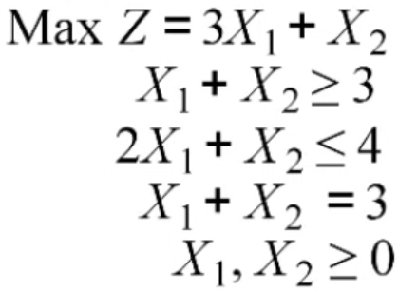

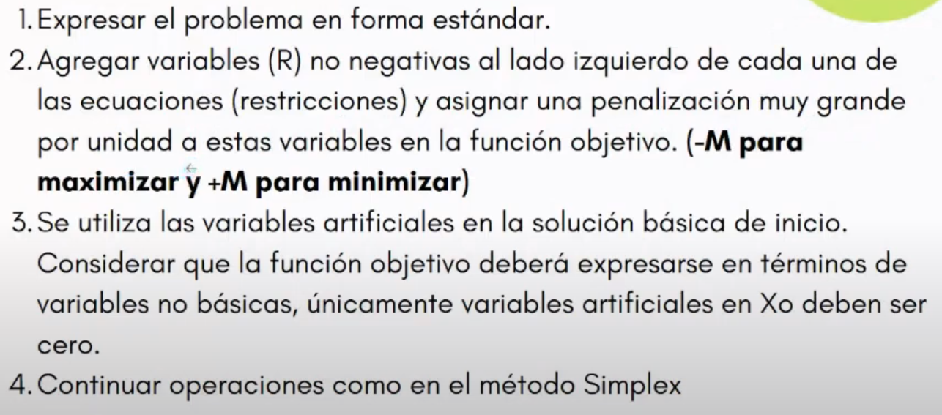

 | X1 | X2 | S1 | S2 | R1 | R2
Z | -3 | -1 | 0 | 0 | M | M | 0 | F1-MF2-MF3
R1 | 1 | 1 | -1 | 0 | 1 | 0 | 3
R2 | 2 | 1 | 0 | 1 | 0 | 0 | 4
R3 | 1 | 1 | 0 | 0 | 0 | 1 | 3

 | X1 | X2 | S1 | S2 | R1 | R2
Z | -3-2M | -1-2M | -M | 0 | 0 | 0 | -6M
R1 | 1 | 1 | -1 | 0 | 1 | 0 | 3 |  | 3
R2 | 2 | 1 | 0 | 1 | 0 | 0 | 4 | F/2 | 2
R3 | 1 | 1 | 0 | 0 | 0 | 1 | 3 |  | 3

 | X1 | X2 | S1 | S2 | R1 | R2
Z | -3-2M | -1-2M | -M | 0 | 0 | 0 | -6M
R1 | 1 | 1 | -1 | 0 | 1 | 0 | 3
X1 | 1 | 0.5 | 0 | 0.5 | 0 | 0 | 2
R3 | 1 | 1 | 0 | 0 | 0 | 1 | 3

